Cartas
Nome | Número | Condição | Preço | Ilustração | Total | Data
Adaman | GG57/GG70 | NM | R$ 49.00 |  | R$ 4,834.97 | 2024-12-23
Arceus-V-ASTRO | GG70/GG70 | NM | R$ 699.90 | 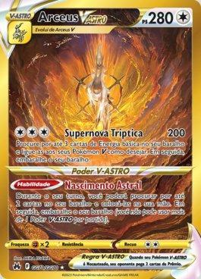
Articuno | 161/159 | NM | R$ 68.00 | 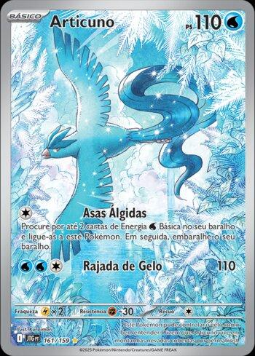
Baderneiro | 181/159 | NM | R$ 8.50 | 
Iono's Bellibolt ex | 053/159 | NM | R$ 8.93 | 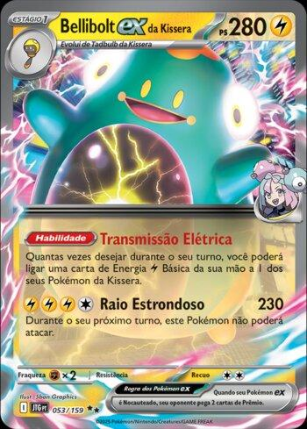
Bibarel | GG25/GG70 | NM | R$ 21.99 | 
Blaziken EX | 024/159 | NM | R$ 14.39 | 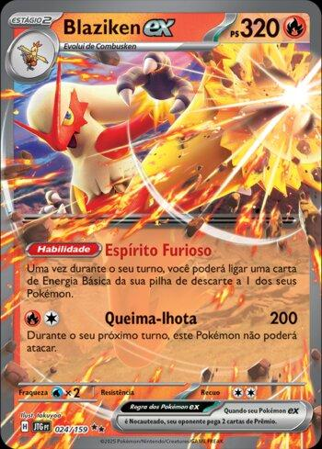
Dive Ball | 161/160 | SP | R$ 90.00 | 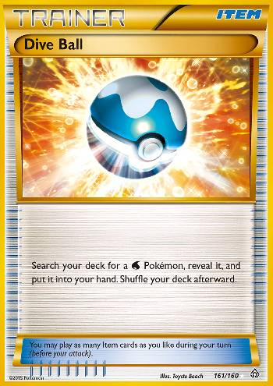
Charizard EX | 11/83 | D | R$ 49.99 | 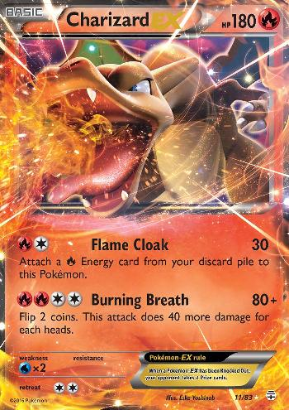
Charizard EX | 074/∞ | NM | R$ 29.90 | 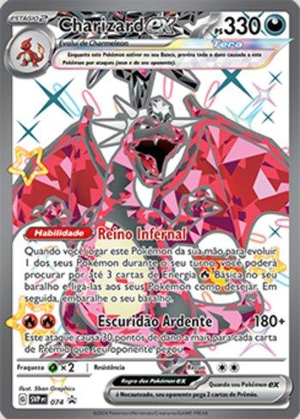
Charizard-V-ASTRO | 019/159 | NM | R$ 105.00 | 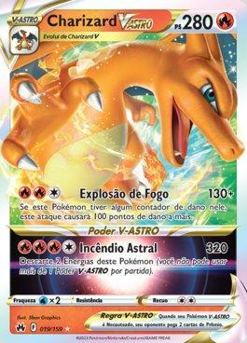
Chesnaught EX | XY18/∞ | SP | R$ 14.00 | 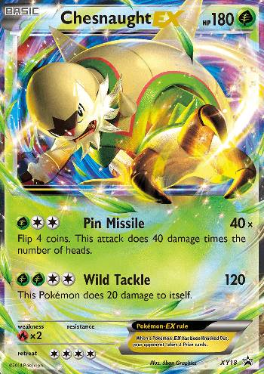
Chave de embaralhamento | 186/191 | SP | R$ 10.00 | 
Darkrai | XY114/∞ | SP | R$ 44.90 | 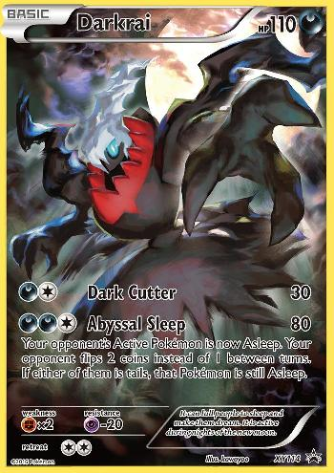
Darkrai EX | 74/122 | SP | R$ 12.90 | 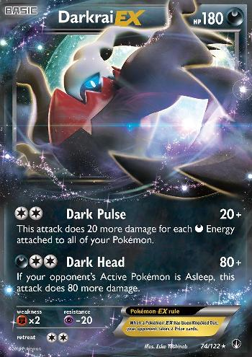
Delphox TURBO | 14/124 | D | R$ 4.50 | 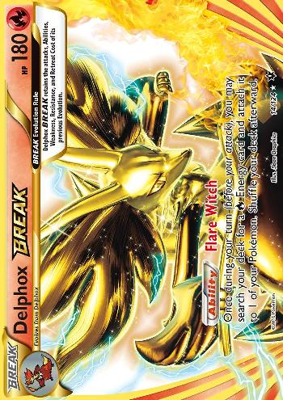
Diancie EX | XY43/∞ | SP | R$ 14.00 | 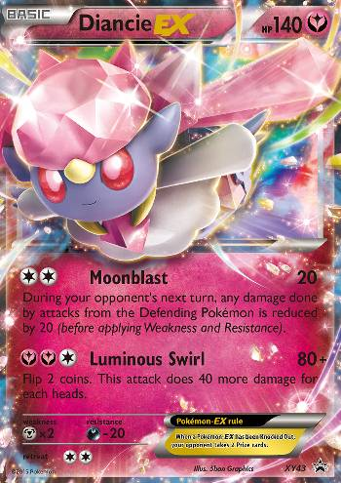
Eevee | 173/∞ | NM | R$ 60.00 | 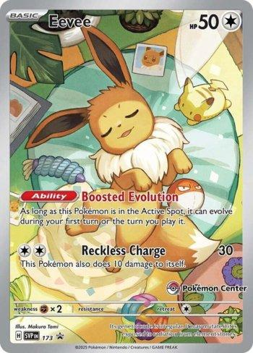
Eevee V | 108/159 | NM | R$ 31.49 | 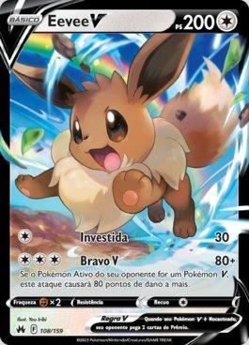
Emboar EX | 14/122 | HP | R$ 11.70 | 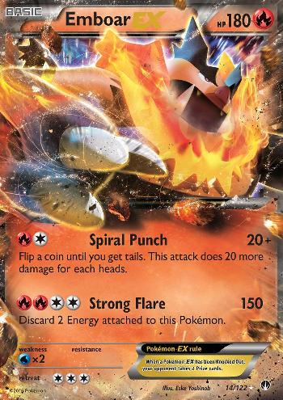
Genesect EX | 120/124 | SP | R$ 14.90 | 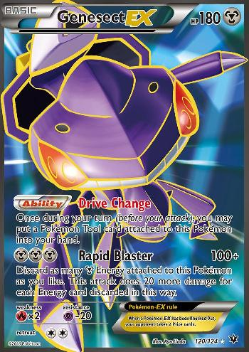
Giratina-V-ASTRO | GG69/GG70 | NM | R$ 939.90 | 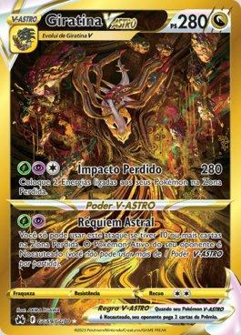
Glaceon EX | 20/124 | SP | R$ 34.90 | 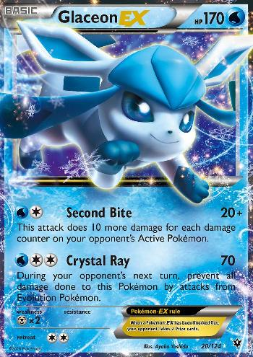
Greninja EX | XY20/∞ | HP | R$ 18.00 | 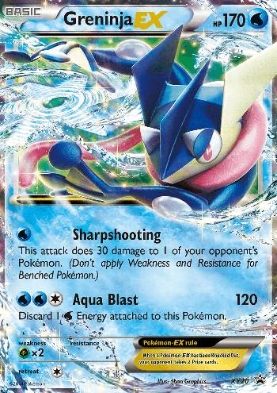
Greninja TURBO | 41/122 | SP | R$ 48.90 | 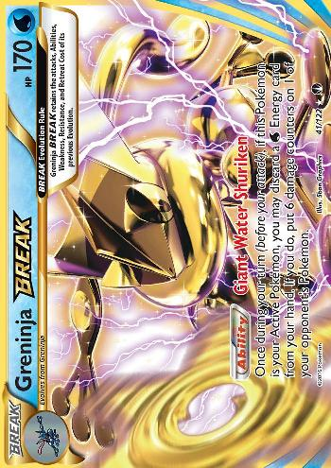
Gyarados EX | 123/122 | SP | R$ 219.00 | 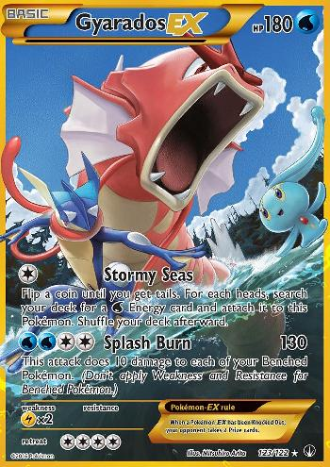
Flutter Mane | 043/131 | NM | R$ 44.75 | 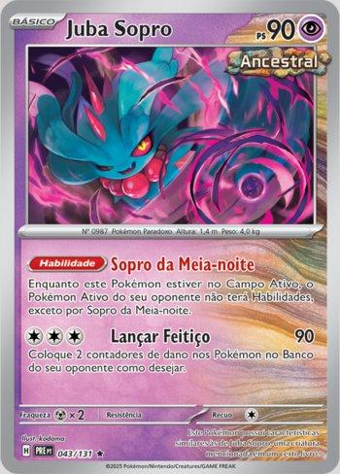
Keldeo-EX | BW61/∞ | MP | R$ 9.68 | 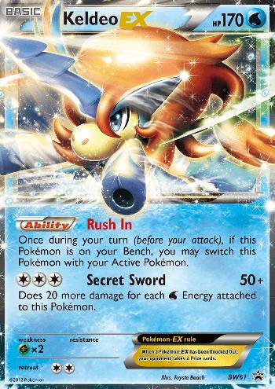
Kilowattrel da Kissera | 163/159 | NM | R$ 36.40 | 
Team Aqua's Kyogre-EX | 6/34 | SP | R$ 248.90 | 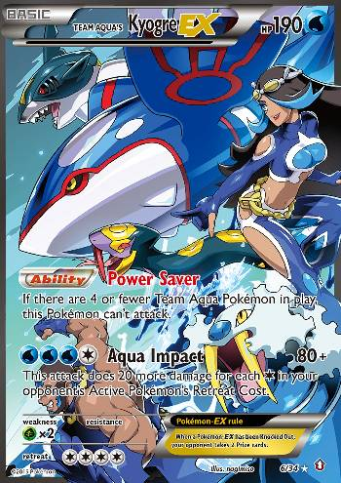
Lugia TURBO | 79/124 | SP | R$ 15.50 | 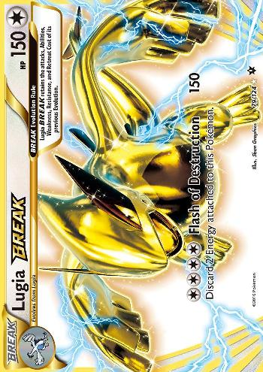
Magmortar | GG03/GG70 | NM | R$ 49.90 | 
Malamar EX | 58/119 | D | R$ 5.85 | 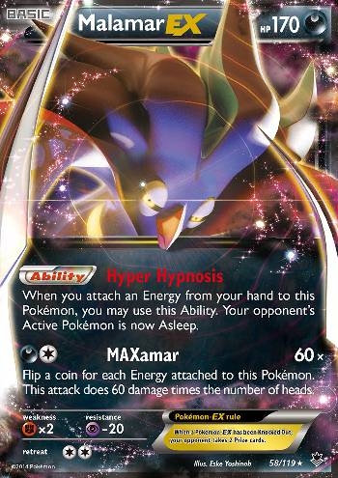
M Charizard-EX | 13/106 | MP | R$ 289.90 | 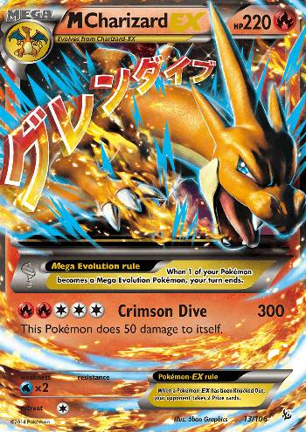
M Gardevoir-EX | RC31/83 | NM | R$ 289.32 | 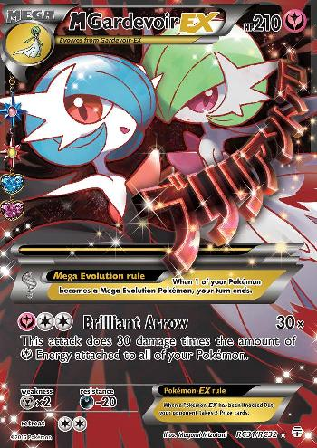
M Gyarados-EX | 115/122 | SP | R$ 75.00
M Heracross-EX | 112/111 | D | R$ 17.00
M Lucario-EX | 55/111 | SP | R$ 65.90
M Scizor-EX | 77/122 | NM | R$ 59.99
Mesprit | 204/191 | NM | R$ 23.00
Mewtwo EX da Equipe Rocket
Mewtwo EX da Equipe Rocket
Milotic (JP)
Moira
Moltres EX
Noivern EX | 069/91 | NM | R$ 4.75
Ogerpon máscara fornalha EX
Palkia-EX | 31/122 | D | R$ 8.00
Pawmi | 226/091 | NM | R$ 2.90
Pikachu | 131/091 | NM | R$ 109.95
Poochyena | GG33/GG70 | NM | R$ 9.90
Reuniclus | 171/162 | NM | R$ 8.50
Reshiram do N
Salamence EX
Scizor | 205/197 | NM | R$ 32.00
Scizor EX | 76/122 | NM | R$ 13.50
Skyla | 122/122 | SP | R$ 239.50
Snorlax-GX | 001/298 | D | R$ 30.00
stunfisk
Sylveon-EX | RC32/83 | SP | R$ 169.90
Sylveon EX
Tatsugiri ex | 226/191 | NM | R$ 9.80
Torterra EX | 185/162 | NM | R$ 10.00
Umbreon (pokebola)
Umbreon EX | 119/124 | SP | R$ 189.95
Veluza EX
Victini EX | 131/135 | HP | R$ 25.00
Voltorb de hisui | GG01/GG70 | NM | R$ 5.95
Zapdos | 29/83 | NM | R$ 29.69
Zacian EX
Zeraora-V-ASTRO | GG43/GG70 | NM | R$ 79.90

